IPI DRB Minutes
 |  | IBIDEN PHILIPPINES, INC. |  |  |  |  |  |  |  |  |  |  |  |  |  |  |  |  |  | DRB/MRB No. : |  | D-SAP-19-12-001
 |  | DRB/MRB REPORT MINUTES |  |  |  |  |  |  |  |  |  |  |  |  |  |  |  |  |  | RFC No. : |  | 46-1219-0036

Theme: |  |  | Overdipping at PTP 5 resulting of High% Cu Residue
Meeting Date : |  |  | 09-Dec-19 |  |  |  |  |  |  |  |  |  |  |  | Originated by : |  |  |  | Ricky Mendoza
Meeting Time: |  |  | 14:30H |  |  |  |  |  |  |  |  |  |  |  |  |  |  |  |  | Name /Block
Meeting Place: |  |  | SAP Old Meeting area |  |  |  |  |  |  |  |  |  |  |  | Approved by : |  |  |  | Orlado Espocia
Chairman: |  |  | Ricky Mendoza |  |  |  |  |  |  |  |  |  |  |  |  |  |  |  | Originator ASM/SM/DGM/GM
Block: |  |  | SAP
Attendees : |  |  | Manufacturing |  |  | Engineering/NPD |  |  | Facilities/EE |  |  |  |  | QA/QC |  |  |  |  | PPIC/CSE |  |  |  | Other
 |  |  | Ricky |  |  | Makis |  |  | Abel |  |  |  |  |  | Ferdie

<1>PROBLEM STATEMENT : (Put another sheet if multiple lots was discovered affected)
DEFECT ISSUE: |  |  | Overdipping at PTP 5 resulting of High% Cu Residue |  | # | PRODUCT/MODEL AFFECTED |  |  | PRODUCT FAMILY |  |  | LEDGER NO. |  | PRODUCT SIZE |  | LOT NUMBER |  |  | AFFECTEDLAYER |  | AFFECTED PANEL |  | AFFECTED UNIT OR IF PERCENTAGE
DATE/TIME OCCURRED: |  |  | Dec-08-19 |  | 1 | Broxton-I |  |  |  |  |  | 775-0471 |  |  |  | P7942180
PROCESS DETECTED: |  |  | PTP |  | 2 | Cavecreek S&R |  |  |  |  |  | 770-4356 |  |  |  | P7938530
PROCESS AFFECTED: |  |  | PTP |  | 3 | IPI Comet Lake BGA 8+2 |  |  |  |  |  | 021-9479 |  |  |  | P7926060
# OF AFFECTED LOTS : |  |  | 8 |  | 4 | IPI Comet Lake BGA 8+2 |  |  |  |  |  | 021-9479 |  |  |  | P7941200
WHO DETECTED: |  |  |  |  | 5 | Broxton-I |  |  |  |  |  | 775-0471 |  |  |  | P7936420
 |  |  |  |  | 6 | Broxton-I |  |  |  |  |  | 775-0471 |  |  |  | P7940620
 |  |  |  |  | 7 | Broxton-I |  |  |  |  |  | 775-0471 |  |  |  | P7943310
 |  |  |  |  | 8 | IPI Comet Lake BGA 8+2 |  |  |  |  |  | 021-9479 |  |  |  | P7936570
WHAT IS THE PROBLEM DIFFERENCE FROM NORMAL TO ABNORMAL SITUATION? CHANGING POINT? DISCUSS THE FLOW. (Indicate 5W and 1H)
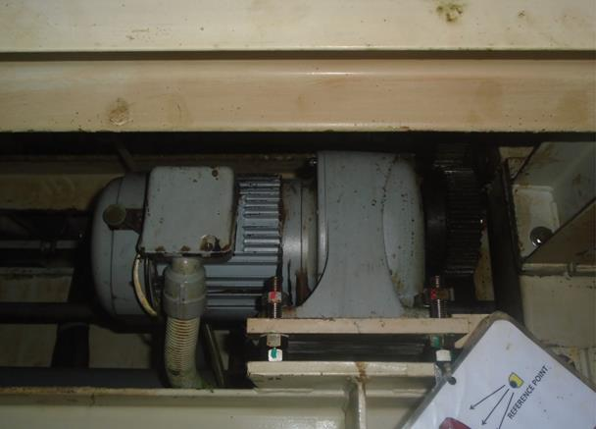
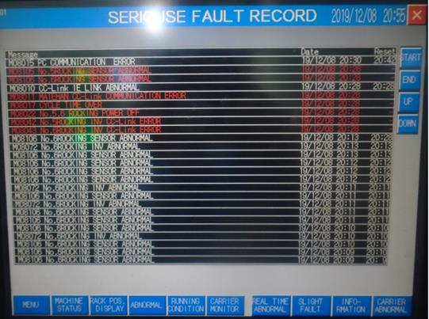
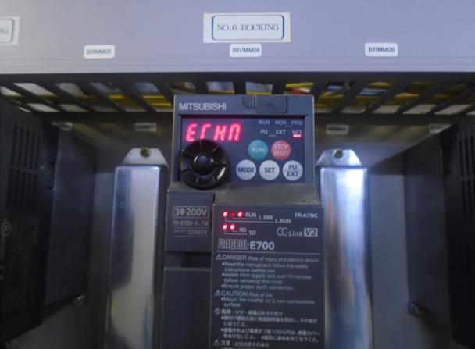
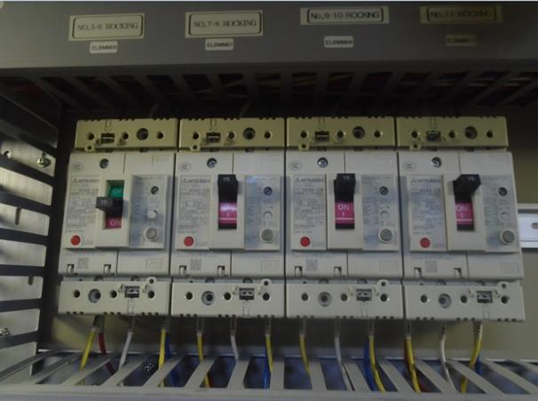

Rocking 6 motor
Chronic mc alarm
Inverter and breaker tripped-off
>> PTP5 encountered Chronic alarm of No.6 Rocking sensor alarm & Rocking INV alarm and followed by machine auto shut off(tripped-off main breaker.)
THE AGENDA ITEM IS RECURRENCE? |  |  |  | RECURRENCE |  |  | NEW |  |  |  | Recurrence Definition |  |  |  | 1. Rootcause is clear happened in same MC and parts 2. Rootcause is not clear but same issue 3. The Action was not proliferated to other process and machine but it was discussed during the meeting
THE AGENDA ITEM IS ESCAPEE? |  |  |  | YES |  |  | NO
PROBLEM CATEGORY |  |  | MAN |  | MACHINE |  |  | METHOD |  |  | MATERIAL |  |  | MEASUREMENT |  |  |  | ENVIRONMENT |  |  |  | OTHERS
DRB CLOSING RANK |  |  | RANK 1 |  | RANK 2 |  |  | RANK 3 |  |  | RANK 4 |  |  | RANK 5 |  |  |  | OTHERS

<2> INVESTIGATION/IDENTIFICATION OF AFFECTED AREA, SITUATION (Define the phenomenon, mode and tendency occurrence,Etc.)

>> Base on FAC Check item finding was stucked-up rocking motor
<3> CONTAINMENT ACTION (Note: Do not disable the interlock system when doing the action) |  |  |  |  |  |  |  |  |  |  |  |  |  |  |  | Responsible |  |  | Completion Date |  |  | Status
 |  |  |  |  |  |  |  |  |  |  |  |  |  |  |  | Name / Block
>> Dis-Able Rocking Number-6 to be to sustain PTP Loading. |  |  |  |  |  |  |  |  |  |  |  |  |  |  |  | FAC-Abel |  |  | DONE
<4> DISPOSITION OF AFFECTED LOT AND RISK ASSESSMENT

Assessment Item (# of sample/Method) |  |  |  | Responsible Name / Block |  |  | Completion Date |  |  | Assessment Result (No Good/TTL QTY) |  |  |  |  |  | Judgment (OK/NG) |  |  | Final Disposition
Conduct 9-Points Cu thickness at DFS Profile Meter |  |  |  | MFG-Ricky |  |  | WW50.1 |  |  |  |  |  |  |  |  | NG
100% Inspection at PT-AOI |  |  |  | MFG-Art |  |  | Ww50.3 |  |  |  |  |  |  |  |  | NG |  |  |  | Proceed |  | Qty : ______________________________
 |  |  |  |  |  |  |  |  |  |  |  |  |  |  |  |  |  |  |  | Piece Out |  | Qty : _______ Pnl #: ________________
 |  |  |  |  |  |  |  |  |  |  |  |  |  |  |  |  |  |  |  | Sheet Out |  | Qty : ______________________________ | 32
 |  |  |  |  |  |  |  |  |  |  |  |  |  |  |  |  |  |  |  | Lot Out |  | Qty : ______________________________ | 3
 |  |  |  |  |  |  |  |  |  |  |  |  |  |  |  |  |  |  |  | SDR
Risk Assessment Category |  |  |  |  |  |  |  |  |  |  | Remarks
 |  | Low |  | Medium |  |  |  | High |  |  | ________________________

<5>ACTION REQUIRED (Note: Do not disable the interlock system when doing the action)

Action Request |  |  |  |  |  |  |  |  |  | Responsible Name / Block |  |  |  |  |  | Completion Date |  |  | Detail Results
1.checking and Inventory f rocking motor |  |  |  |  |  |  |  |  |  | FAC-Abel |  |  |  |  |  | Ww50
2.Coordinate to JAPAN for the lifespan of rocking motor |  |  |  |  |  |  |  |  |  | FAC-Abel |  |  |  |  |  | TBD
3.Provide Response flow for proper dis-abling of cu bath |  |  |  |  |  |  |  |  |  | MFG-UEL FAC-abel |  |  |  |  |  | Ww51

<6> ROOTCAUSE GENERATION/ANALYSIS <WHY ANALYSIS by 5M1E, DESIGN AND CAPABILITY>

 | 1. FACTOR GAP ANALYSIS
 | Problem/Issue |  | Gap Type |  | 1st why |  |  |  | 2nd why |  |  |  |  |  | 3rd why |  |  |  |  |  | 4th why |  |  | 5th why
 | Over Dipped |  | Technical |  | Defective Rocking motor |  |  |  | Stuck-up motor |  |  |  |  |  | melted winding |  |  |  |  |  | motor over heating

 |  |  | Systemic
 |  |  | Detection
 | 2. FINAL ROOT CAUSE and MECHANISM OF AFFECTED ISSUE

<7> CORRECTIVE ACTION |  |  |  |  |  |  |  |  |  |  |  |  | Responsible |  |  |  | Completion Date |  |  | Status |  |  | Need CN & DR?
 |  |  |  |  |  |  |  |  |  |  |  |  | Name / Block |  |  |  |  |  |  |  |  |  | Yes | No
>> Put thermal Sticker as monitoring of rocking temperature and include on PIS |  |  |  |  |  |  |  |  |  |  |  |  | FAC-Abel |  |  |  | WW09 |  |  | For Actual temp evalution

<8> PREVENTIVE ACTION |  |  |  |  |  |  |  |  |  |  |  |  | Responsible |  |  |  | Completion Date |  |  | Status |  |  | Need CN & DR?
 |  |  |  |  |  |  |  |  |  |  |  |  | Name / Block |  |  |  |  |  |  |  |  |  | Yes | No

<9> PROLIFERATION |  |  |  |  |  |  |  |  |  |  |  |  |  |  |  | Responsible |  |  | Completion |  |  | Status
 |  |  |  |  |  |  |  |  |  |  |  |  |  |  |  | Name / Sign |  |  | Date
Product |  | Block | Process/line |  | Machine |  | Proliferate Item
 |  |  |  |  |  |  | 1
 |  |  |  |  |  |  | 2
<10>AMOUNT OF LOSS . The total sum_________________
Product |  |  |  |  | Unit Qty |  |  |  |  |  |  |  | Amount of Loss |  |  |  |  |  |  | Remarks

<11> CLOSING APPROVAL (The approver person in charge should put details of the validation and closing confirmation result)
The Validation activity |  |  |  |  |  |  |  |  |  |  |  |  |  |  |  |  | Closing Approver |  |  |  |  | Closing Date
 |  |  |  |  |  |  |  |  |  |  |  |  |  |  |  |  | GM Albert Soriano

 |  |  |  |  |  |  |  |  |  |  |  |  |  |  |  |  |  |  |  |  |  |  |  |  | QA-SCAR-MRB-02-00-01 Rev. 11

